The Business
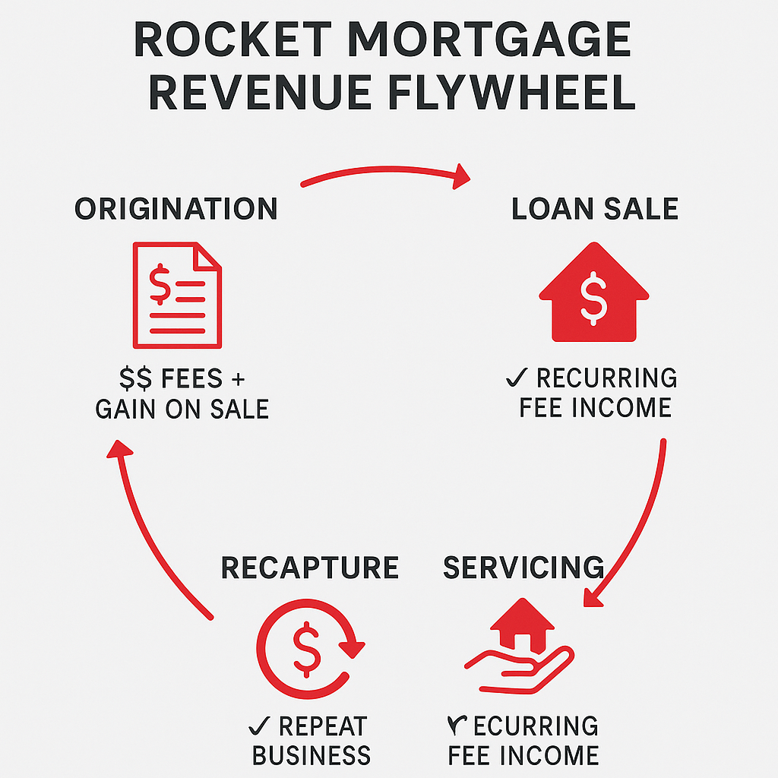
Feature | Banks | Rocket Mortgage
Loan Funding Source | Customer deposits | Warehouse lines of credit
Holds Loans Long-Term | Sometimes (portfolio loans) | No
Earns Interest on Loans | Yes (if held) | No
Sells Loans | Often | Always
Retains Servicing | Sometimes | Frequently
Main Revenue Source | Interest + Fees | Origination + Servicing Fees
Balance Sheet Risk | Higher | Lower

83% Recapture rate

